Contribution Margin Calculation
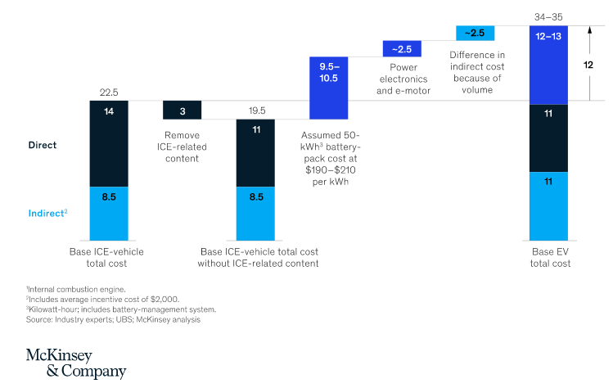
Price (LiveWire One) | $22,799
Profit % Overall | 16.28% |  |  | As per McKinsey report, Direct cost if 62% of Total Cost | 62% | Assuming 5% additonal for contingency because of new brand Partnerships
Cost | $19,086
Cost of Battery (Retail Price) | $2,046 | (30% of Cost)
Total Cost of the Motorcycle | 6820

Cost Split Up | Lower Limit | Upper Limit | Average | For Calculation | Manufacturers | Total Cost | TVC % Split up | TVC
Battery pack: 30-40% | 30% | 40% | 35% | 35% | Samsung | $2,387 | 32% | $2,148
Motor and controller: 15-25% | 15% | 25% | 20% | 20% | Harley-Davidson | $1,364 | 19% | $1,296
Chassis and body: 15-25% | 15% | 25% | 20% | 20% | Showa - Electric Components, Brembo - Brakes Tires - Michelin Frame - Harley-Davidson | $1,364 | 18% | $1,228
Other components (electronics, wiring, switches, etc.): 10-20% | 10% | 20% | 15% | 15% | RESS | $1,023 | 14% | $921
Direct Labor: Assembly, testing, and quality control: 5-10% | 5% | 10% | 8% | 5% | Harley-Davidson | $341 | 2% | $110
Direct Labor: Accessories and packaging: 5-10% | 5% | 10% | 8% | 5% | Harley-Davidson | $341 | 2% | $110
 |  |  |  | 100% | TOTAL | $6,820 | 85% | $5,813

Contribution Margin (P-AVC) | $16,985.95

